Лист1
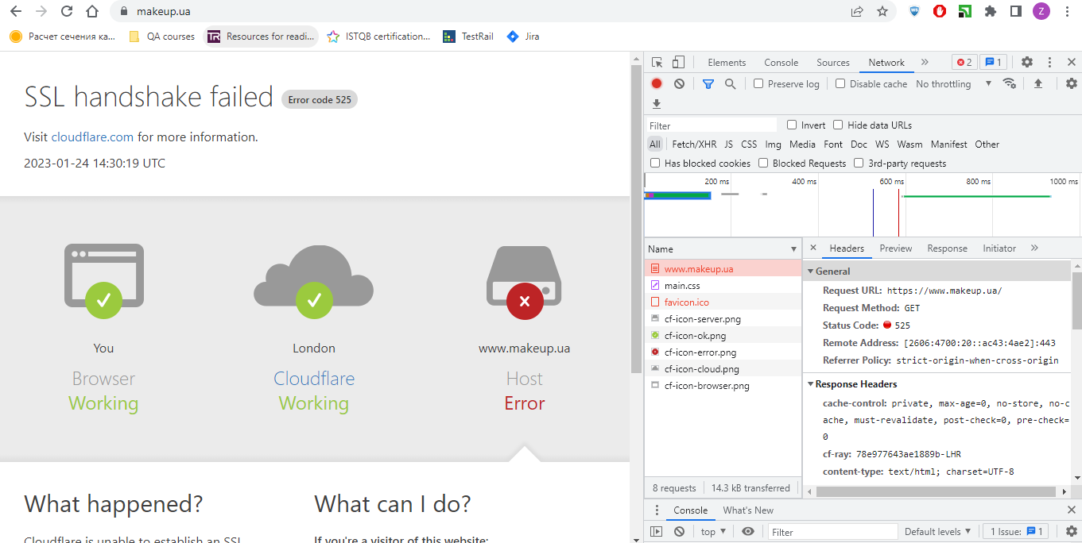
 | 1. Open the browser and devtools 2. Open the site 3. Analyze the request https://www.makeup.com.ua/, its method and status 4. Analyze the request https://makeup.com.ua/, its method and status 5. Add any product to the cart and analyze the cart request, its method and status 6. Enter https://www.makeup.ua/ in the address bar to analyze the request and status. 7. Add screenshots with requests and statuses to the homework, describe the result for each request in text, what is the request method (what does it mean), what is the status of the response code (what does it mean)."

Task 3 | Method | GET | The method describes the request for information from the specified source, that is, to get the data without any changes or influence on them
 | Status | 301 | Our request is redirected to another page because the document has been permanently moved to a new URI. We can see it in Headers in the Location field. So we wanted to get to the site https://www.makeup.com.ua/, but the server redirected us to https://makeup.com.ua/ua
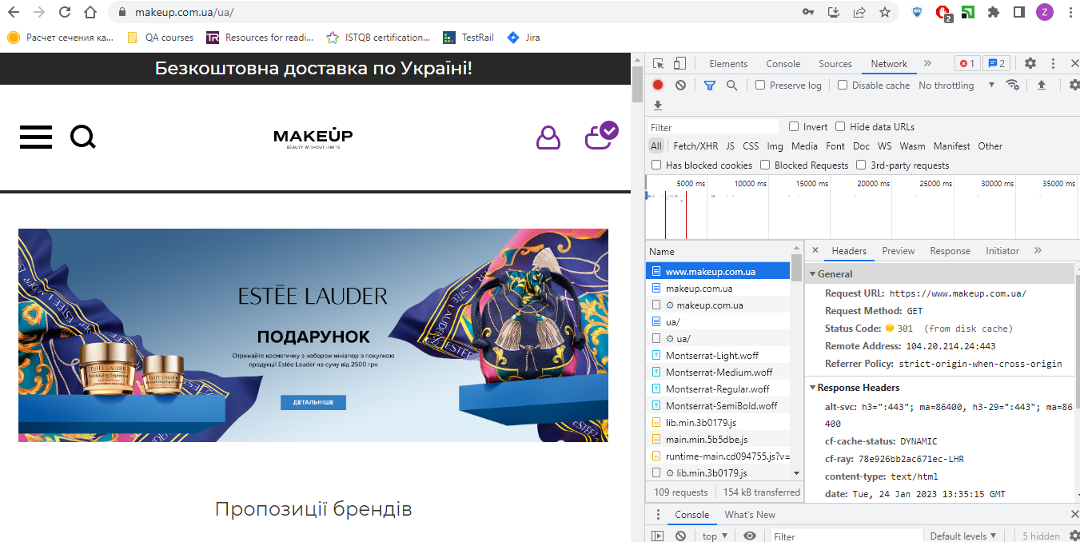

Task 4 | Method | GET | The method describes the request for information from the specified source, that is, to get the data without any changes or influence on them
 | Status | 302 | Our request is being redirected to another page because the document has been temporarily moved to a new URI. We can see it in Headers in the Location field. So we wanted to get to the site https://makeup.com.ua/, but the server redirected us to https://makeup.com.ua/ua
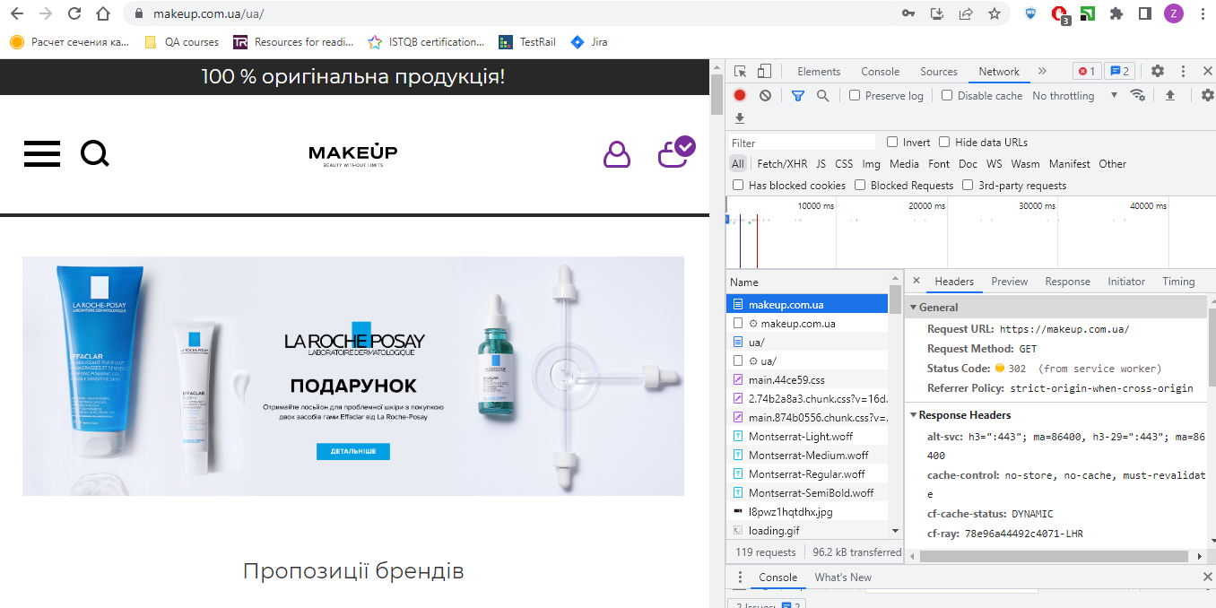

Task 5 | Method | PUT | The method downloads the request data to the URL specified in the request
 | Status | 200 | Our request has been successfully processed, so the product has been successfully added to the cart

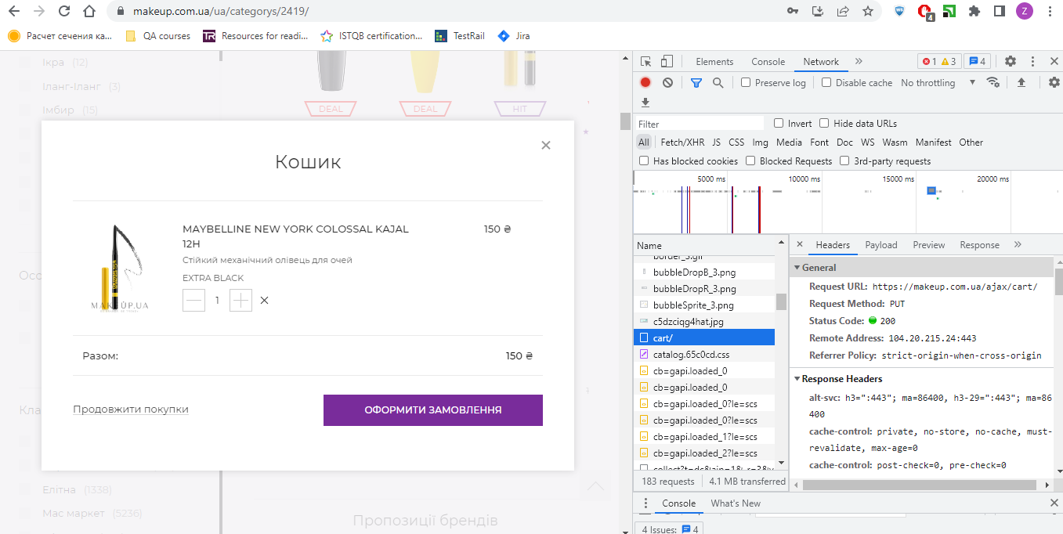

Task 6 | Method | GET | The method describes the request for information from the specified source, so to get the data without any changes or influence on it
 | Status | 525 | SSL Handshake Failed, that is, it is not possible to establish an SSL connection between the Cloudflare server and the web server

